commons-codec
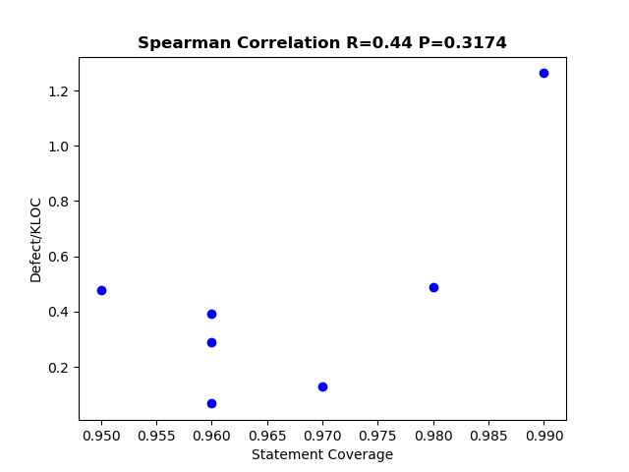
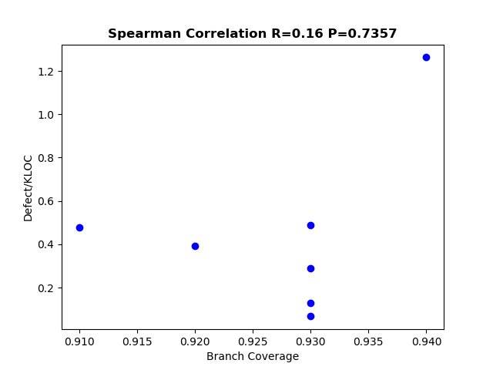
Project version | Statement Coverage | Branch Coverage | Defect/KLOC
1.1 | 0.95 | 0.91 | 0.4776119403
1.4 | 0.99 | 0.94 | 1.2626955806
1.5 | 0.98 | 0.93 | 0.48989044268
1.6 | 0.96 | 0.92 | 0.39401103231
1.7 | 0.96 | 0.93 | 0.067369555698
1.8 | 0.97 | 0.93 | 0.13040359914
1.9 | 0.96 | 0.93 | 0.29045375331

doxia
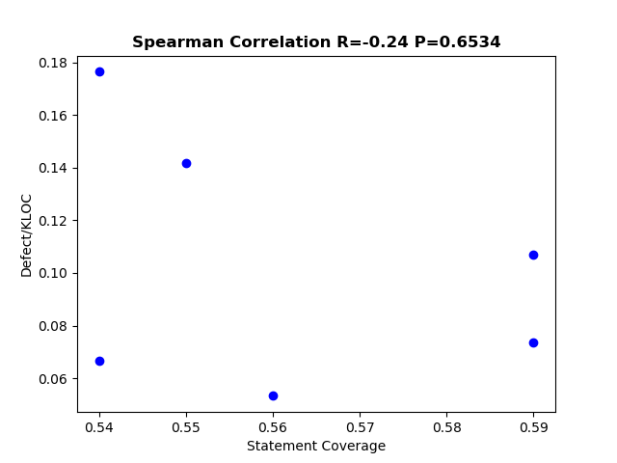
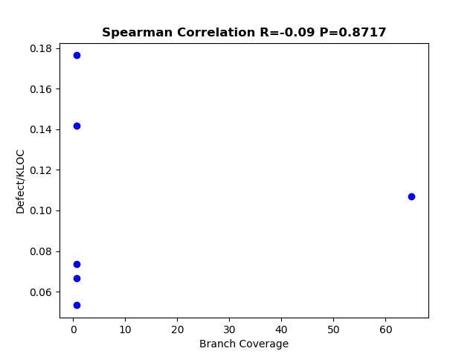
Project version | Statement Coverage | Branch Coverage | Defect/KLOC
1.2 | 0.54 | 0.61 | 0.17642907551
1.3 | 0.55 | 0.63 | 0.14189196564
1.4 | 0.59 | 65 | 0.10678512697
1.5 | 0.56 | 0.64 | 0.053308882326
1.6 | 0.59 | 0.66 | 0.073592800521
1.1.4 | 0.54 | 0.6 | 0.066536550745

commons-configuration
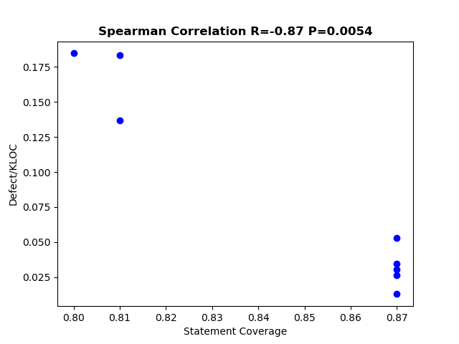
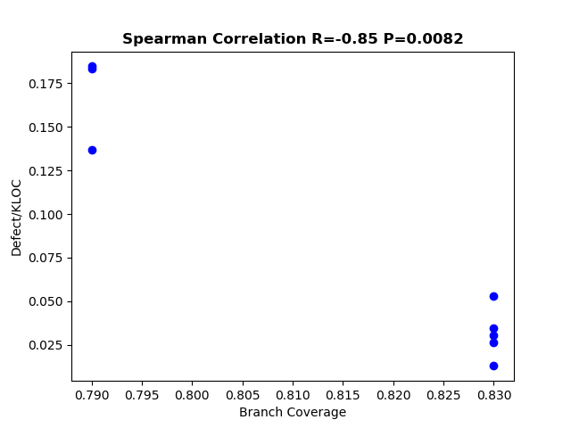
Project version | Statement Coverage | Branch Coverage | Defect/KLOC
1.7 | 0.81 | 0.79 | 0.13655114919
1.8 | 0.8 | 0.79 | 0.18460664584
1.9 | 0.81 | 0.79 | 0.18334391087
2.1 | 0.87 | 0.83 | 0.053249790329
2.2 | 0.87 | 0.83 | 0.034832130899
2.3 | 0.87 | 0.83 | 0.030373639152
2.4 | 0.87 | 0.83 | 0.012956220929
2.1.1 | 0.87 | 0.83 | 0.026454209967

maven-shade
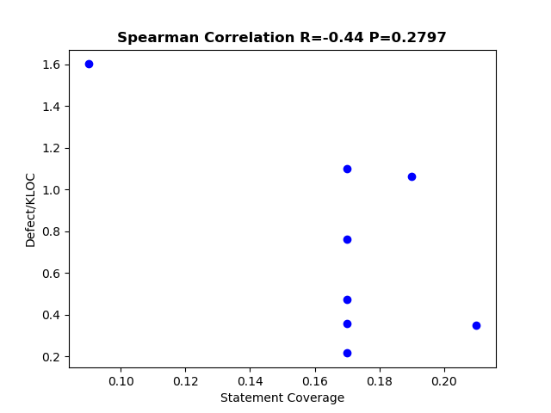
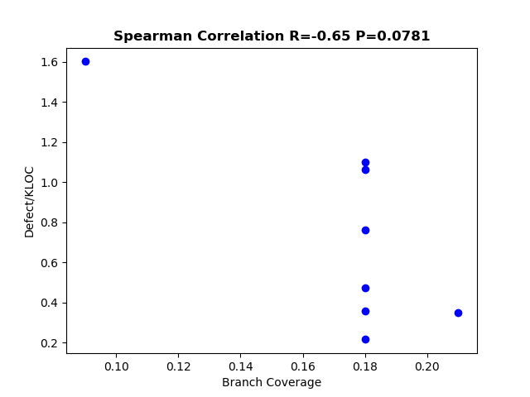
Project version | Statement Coverage | Branch Coverage | Defect/KLOC
3.0.0 | 0.21 | 0.21 | 0.34829336252
2.4.3 | 0.19 | 0.18 | 1.0622477162
1.2.1 | 0.09 | 0.09 | 1.601774273
2.4 | 0.17 | 0.18 | 0.21625128399
2.3 | 0.17 | 0.18 | 0.7605007605
2.2 | 0.17 | 0.18 | 0.47418647383
2.1 | 0.17 | 0.18 | 0.35810205909
1.4 | 0.17 | 0.18 | 1.0986423919

deltaspike
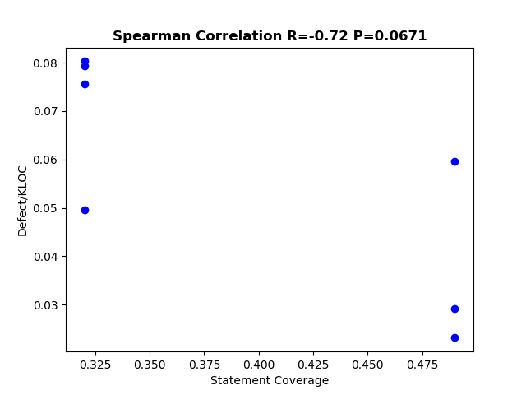

Project version | Statement Coverage | Branch Coverage | Defect/KLOC
1.9.0 | 0.49 | 0.43 | 0.023143192719
1.8.2 | 0.49 | 0.43 | 0.0291626811
1.8.1 | 0.49 | 0.43 | 0.059529124624
1.7.2 | 0.32 | 0.28 | 0.079412591172
1.7.1 | 0.32 | 0.28 | 0.080297471247
1.7.0 | 0.32 | 0.28 | 0.049613326139
1.6.1 | 0.32 | 0.28 | 0.075596265544

